Instructions
NCO Input Formulation Instruction Sheet_V1 effective 01/09/2020
Checklist | Checked | Guidance
Submit formulations as shown in the example on the worksheet
Submit a separate worksheet for each product |  | See instructions for entering multiple recipes below
Ensure all ingredients and processing aids including inerts and inactive ingredients are listed*
The total ingredients and processing aids for the ingoing formulation should add up to 100%
If applicable organic Ingredients or certified inputs should be identified and accompanied by a valid organic certificate
All other Conventional (non-organic) ingredients should be accompanied by an MSDS or GMO Free Declaration as is applicable |  | Adequacy of Declaration to be determined by NCO
Please submit a product label with nutrient guarantee or lab report showing nutrient levels in the product
Ingredients applied for are product specific; if flexibility is required please submit all options for review |  | No substitution of say citric acid with ascorbic acid because they perform the same function and both are supplied by Supplier Z
Ingredients applied for are supplier specific; if flexibility is required please submit all options for review |  | No substitution of say citric acid with citric acid from another supplier, must be from the supplier listed in the application
Raw materials must not be GMO or GMO derived |  | This includes but is not limited to derivatives such as oils, substrates, and GMM's (Genetically Modified Micro-organisms)
Salt should be free of prohibited additives and flowing/anticaking agents |  | A statement from the supplier OR MSDS showing pure 100% sea salt or rock salt
Your formula should list the following and quantities used for each |  | How to Add Extra Tabs
* All ingredients |  | Right click on the relevant worksheet - in this example, "Generic Formulation"
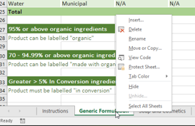
* All processing aids, inerts, inactive ingredient, fillers
* Water
* Salt
* Diluents
* Vitamins
* Minerals
* Inoculants, yeasts, microbials
* Any other ingredient or processing aid used in the ingoing formulation not mentioned above

Inputs should be used in accordance with legislated requirements and their inclusion within the NASAA Standard does not preclude limitations defined by appropriate authorities. Operators are reminded that it is their responsibility to ensure that the use of permitted products does not contravene legislated requirements. |  | Click on "Move or Copy"
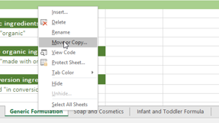
Confirm whether product requires APVMA Approval

 |  | Select "Move to End", Tick the "Create a Copy" Box and "OK"
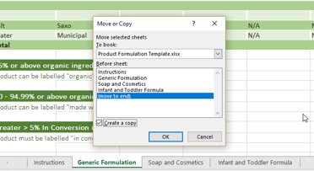

 |  | Your newly created worksheet will be an identical copy to the first one, Rename as you wish

