Instructions
NCO Product Formulation Instruction Sheet_ V1 effective 01/09/2020
Checklist | Checked | Guidance
Submit formulations as shown in the example on the worksheet
Submit a separate worksheet for each product |  | See instructions for entering multiple recipes below
Ensure all ingredients and processing aids are listed*
The total ingredients and processing aids for the ingoing formulation should add up to 100%
All Organic Ingredients should be identified and accompanied by a valid organic certificate
All other Conventional (non-organic) ingredients should be accompanied by a PIF (Product Information Form)
Where a PIF is not available, a Comprehensive GMO Free Declaration should be submitted |  | Adequacy of Declaration to be determined by NCO
Ingredients applied for are product specific; if flexibility is required please submit all options for review |  | No substitution of say citric acid with ascorbic acid because they perform the same function and both are supplied by Supplier Z
Ingredients applied for are supplier specific; if flexibility is required please submit all options for review |  | No substitution of say citric acid with citric acid from another supplier, must be from the supplier listed in the application
Raw materials must not be GMO or GMO derived |  | This includes but is not limited to derivatives such as oils, substrates, and GMM's (Genetically Modified Micro-organisms)
Salt should be free of prohibited additives and flowing/anticaking agents |  | A statement from the supplier OR MSDS showing pure 100% sea salt or rock salt
Your formula should list the following and quantities used for each |  | How to Add Extra Tabs
* All ingredients |  | Right click on the relevant worksheet - in this example, "Generic Formulation"
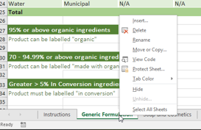
* All processing aids
* Water
* Salt
* Flavours
* Vitamins
* Minerals
* Yeast
* Any other ingredient or processing aid used in the ingoing formulation not mentioned above

 |  | Click on "Move or Copy"
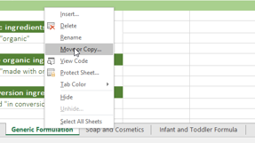

 |  | Select "Move to End", Tick the "Create a Copy" Box and "OK"
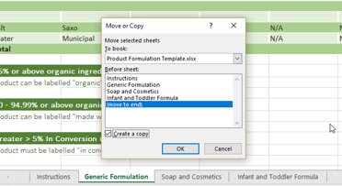

 |  | Your newly created worksheet will be an identical copy to the first one, Rename as you wish

